RF Histogram example
Row Labels | Count of Wind Speed in MPH
5.7-7.7 | 0.122
7.7-9.7 | 0.561
9.7-11.7 | 0.220
11.7-13.7 | 0.073
33.7-35.7 | 0.024
Grand Total | 1.000

RF Histogram 1.3
Row Labels | Count of Radioactive material in soil (picocuries per gram)
0.32-2.32 | 0.520
2.32-4.32 | 0.240
4.32-6.32 | 0.080
6.32-8.32 | 0.040
8.32-10.32 | 0.080
12.32-14.32 | 0.040
Grand Total | 1.000

1.3 manually
Radioactive material in soil (picocuries per gram)
12.48 | Total values = 25
9.99 | 0.32-2.32 = 13 | 13/25 = | 0.52 | 0.32-2.32
8.32 | 2.32-4.32 = 6 | 6/25 = | 0.24 | 2.32-4.32
6.47 | 4.32-6.32 = 2 | 2/25 = | 0.08 | 4.32-6.32
5.7 | 6.32-8.32 = 2 | 2/25 = | 0.08 | 6.32-8.32
4.55 | 8.32-10.32 = 1 | 1/25 = | 0.04 | 8.32-10.32
4.06 | 12.32-14.32 = 1 | 1/25 = | 0.04 | 12.32-14.32
3.59
Total
3.36
2.69
2.42
2.41
2.03
1.96
1.9
1.77
1.66
1.09
0.76
0.75
0.74
0.7
0.54
0.37
0.32

RF Histogram 1.4
Row Labels | Count of Percentage of outstanding shares traded | 1)
2-3 | 0.250
3-4 | 0.300
4-5 | 0.175
5-6 | 0.125
6-7 | 0.050
7-8 | 0.075
11-12 | 0.025
Grand Total | 1.000

 |  | 2) The percentage of these top 40 stocks that traded more than 4% of the outstanding shares was 45%
 |  | 3) If a stock were selected at random, the probabilty that it will have traded fewer than 5% of its outstanding shares would be 72.5%

1.5 answer
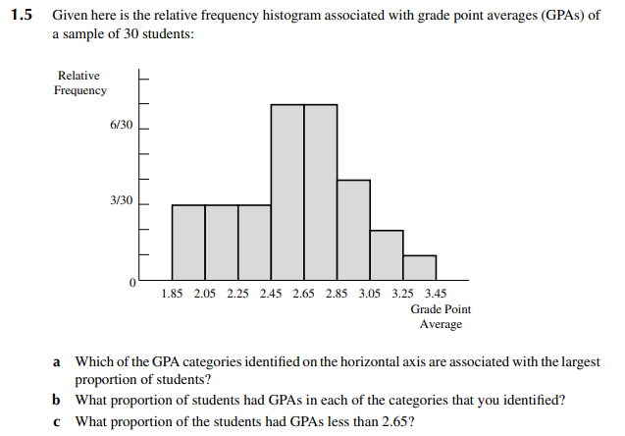
a) 2.45-2.65 and 2.65-2.85
b) 7/30
c) 16/30

